Key Assumptions
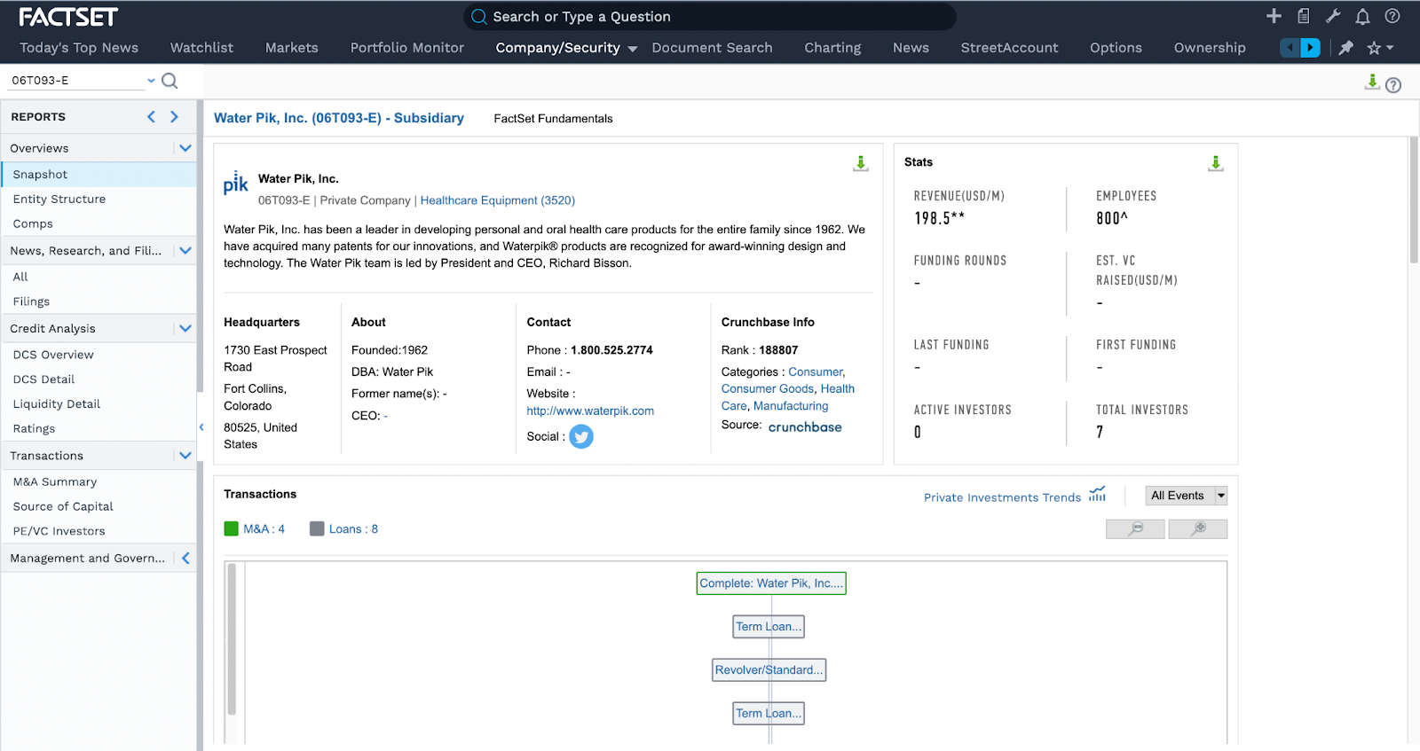
1 | Latest F/S can be found for waterpik before it was acquired was for 2003, 2004, 2005. The profit margin was around 30%. WaterPik's parent company has a profit margin of around 42% in 2022. Since we position the NanoPik as a premium product offering a better oral hygiene solution, we expect a slightly higher margin (in the higher 40%).
2 | Latest F/S can be found for waterpik before it was acquired was for 2003, 2004, 2005. The comparative R&D percentages were 1.762%, 1.938%, 2.166%). Three year average of R&D investment is 2.955% |  | https://www.sec.gov/Archives/edgar/vprr/0602/06025941.pdf
3 | Latest F/S can be found for waterpik before it was acquired was for 2003, 2004, 2005. The comparative SG&A percentages were 20.5%, 21.77%, 22.84%). Three year average of R&D investment is 21.7%
4 | The primary depreciable asset would be the patent for the nanopik technology. We have referred one of Waterpik's key competitors, Philips Sonicare, for a depreciation and amortization percentage, which is 3%. |  |  | file:///Users/wangmandi/Downloads/PhilipsFullAnnualReport2022-English.pdf |  | page 32
5 | Third party normally charges a commision ranging between 15% to 30%. We take the average and say we will give WaterPik 22.5% of the revenue. | https://backofhouse.io/stories/tips-navigate-negotiate-restaurant-contracts-third-party-food-delivery-platforms-commission-rates
6 | Latest F/S can be found for waterpik before it was acquired was for 2003, 2004, 2005. The comparative interest expense percentages were 0.48%, 0.55%, 0.77%). Three year average of R&D investment is 0.6%
7 | In the first year, the set up cost is mainly comprised of the patent cost. The average cost to obtain a patent is between $15,000 to $20,000. We took the average of that and concludes that our setup cost is $17,500. We do not think we will incur any costs to start production because WaterPik can provide us with the production capacity. We recognize that the first year SG&A costs would be high as we are negotiating the partnership deal with WaterPik. We estimate that it would be twice the SG&A cost in year 2. |  |  |  |  |  |  |  |  |  | https://www.bitlaw.com/guidance/patent/what-does-a-patent-application-cost.html
8 | Our secondary market would be the dentists and hygienists, who will recommend NanoPik to patients during their visits. We think it only makes sense to enter this market after the cost of production decreases with economies of scale. There are currently 207190 active hygienists in the United States. We estimate that 1% of them are KOLs. We plan to reach half of them in year3, which is 0.05% of the total US hygienists. |  |  |  |  |  |  | https://www.bls.gov/oes/current/oes291292.htm
9 | We used the most conservative estimate, presuming that each KOL would talk one hygienist/dentist into recommending NanoPik each year.
10 | On average, each dentist/hygienist treats around 3500 patients each year. Dentist referral success rate is around 30%. Given that NanoPik is a relatively new product, the referral success rate would be lower than mature oral hygiene products. That means each KOL can convince 700 patients to try the NanoPik product. |  | https://www.statista.com/statistics/965365/patient-visits-among-all-dentists-us-per-year/ |  |  | https://pubmed.ncbi.nlm.nih.gov/33210783/
11 | We referenced to a typical mouthwash company since we are only producing the solution. According to IBIS, COGS for mouthwash manugacturers is around 50%. For a 1L mouthwash product (such as Listerine), the production cost would be $9*50%=$4.5. Our Nanoparticle would only account for 10% of the 1L solution, which would cost $4.5*10%=0.45 to produce. Each customer woule need 12 of those 1L solutions each year, which means the production cost is around $0.45*12=$5.4
12 | According to Factset, the estimated revenue for WaterPik was $198.5 million. It's also a reasonable amount given that WaterPik had 70% of its revenue relates to water flosser market in 2017 (before it was acquired by Church & Dwlight), which is around $185.5 million. On average, a WaterPik product costs $100. We estimate that 1.985 million units of water flosser are sold. WaterPik had around 1.985 million water flosser customers in 2022. |  |  |  |  |  |  |  | https://my-ibisworld-com.libproxy2.usc.edu/us/en/industry-specialized/od6033/key-statistics | https://www.businesswire.com/news/home/20170717005482/en/Church-Dwight-to-Acquire-Waterpik-for-Approximately-1-Billion
13 | On average, consumer products have a penetration rate of 2%-6%. We think that we are targeting a very small and niched market, and we are partnering directly with WaterPik to advertise our product, we can ultimately achieve a higher penetration rate of 10%. |  |  |  | https://gocardless.com/en-us/guides/posts/market-penetration/#:~:text=market%20penetration%205%25.-,What%20is%20a%20good%20rate%20of%20market%20penetration%3F,already%20doing%20better%20than%20most
14 | A 1.5 L of LIsterine mouthwash can last around a month. Based on that we estimate that customers would purchase 12 bottles of 1.5 L solution containing nanoparticles each year. |  |  |  |  |  | https://www.quora.com/Does-a-1-5-liter-Listerine-mouthwash-last-for-about-2-months-if-used-every-day
15 | In our interviews, we found out that most people visit dentists once per year.
16 | The TAM for market 2 would be the US population, which is around 331 million people.

